Form Responses 1
Survey on Food Analysis (Bhoomika B)
Timestamp | State (current status) | District/City name (current status) | You are staying in: | Mention your Gender and Age [Male] | Mention your Gender and Age [Female] | Select the option below: | Have you gone through any price and variations on food products before and after pandemic ? | If Yes, approximately how much percentage it varies? [Increases ] | If Yes, approximately how much percentage it varies? [Decrease ] | How many times you take meals per day? | What you drink 🍸 after waking up? | What would you prefer during the pandemic of covid 19? | Name of the food you took in Breakfast most often? | Name of the food you took in Lunch most often? | Name of the food you took in Dinner most often? | What kind of vegetable that you are using most often to prepare food? | Select the below that you prefer to take after the meal | Which snacks you take in the evening time most often? | Which platform you preferred the most often to order the food? | Name of the Restaurant you ordered food most often and also mention city name | Name of the food you took in Breakfast most often? | Name of the food you took in Lunch most often? | Name of the food you took in Dinner most often? | What kind of food you ordered most often ? | Select the below that you prefer to take after the meal | Which snacks you take in the evening time most often? | How many times you ordered the food per day? | What kind of food you ordered most often ? | Which platform you preferred the most often to order the food? | Select the option that you preferred to order food most of time: | Name of the Restaurant you ordered food most often and also mention city name | Name of the food you took in Breakfast most often? | Name of the food you took in Lunch most often? | Name of the food you took in Dinner most often? | Select the below that you prefer to take after the meal | What kind of vegetable that you are using most often to prepare food? | Which snacks you take in the evening time most often? | Self preparing food
4/13/2021 | Karnataka | hassan | Hostel/ PG |  | 20-30 year's | Both | Yes | 20% and above |  | 3 | Water 💦 | Both Self preparing and Online order |  |  |  |  |  |  |  |  |  |  |  |  |  |  | Not regular | Healthy food ex: fruit bowl, Rice and sambar, roti's , meals, etc, Junk food ex: pizza, burger, fries etc, Spicy food ex: more with spicy ingredients and masala items | Zomato | Lunch | meghanas | poori | anna sambar | water | oreo milk shake | Fiber ex: corn, mushroom, tomato etc, Vitamin ex: carrot, cabbage, onion | Chats | Calcium ex: sweet potato, barccoli, green beans etc, Vitamin ex: carrot, cabbage, onion, Leaves
4/13/2021 | Karnataka | Bengaluru | Home | 20-30 year's |  | Both | Yes | 10-15% |  | 3 | Water 💦 | Both Self preparing and Online order |  |  |  |  |  |  |  |  |  |  |  |  |  |  | 3 and more | Healthy food ex: fruit bowl, Rice and sambar, roti's , meals, etc, Junk food ex: pizza, burger, fries etc, Spicy food ex: more with spicy ingredients and masala items, Sweets, Chats | Zomato | Dinner |  |  |  |  | Fruits | Calcium ex: sweet potato, barccoli, green beans etc, Fiber ex: corn, mushroom, tomato etc, Vitamin ex: carrot, cabbage, onion | Hot drinks ie., Coffee, Chai, green tea, etc, Kashayam, Bajji / Bonda, Chats, Fruit juice | Calcium ex: sweet potato, barccoli, green beans etc, Vitamin ex: carrot, cabbage, onion, Leaves
4/13/2021 | Karnataka | Bengaluru | Hostel/ PG |  | 20-30 year's | Both | Yes | 10-15% |  | 3 | Water 💦 | Both Self preparing and Online order |  |  |  |  |  |  |  |  |  |  |  |  |  |  | 1 | Healthy food ex: fruit bowl, Rice and sambar, roti's , meals, etc, Junk food ex: pizza, burger, fries etc, Spicy food ex: more with spicy ingredients and masala items | Zomato | Lunch | Meghanad food , Rajajinagar | Masala Dosa | Rice and sambarand sambar | Rice and sambarand sambar | Fruit Juice | Fiber ex: corn, mushroom, tomato etc, Vitamin ex: carrot, cabbage, onion | Hot drinks ie., Coffee, Chai, green tea, etc, Fruit juice | Calcium ex: sweet potato, barccoli, green beans etc, Vitamin ex: carrot, cabbage, onion, Leaves
4/13/2021 | Karnataka | Bengaluru | Hostel/ PG |  | 20-30 year's | Both | Yes | 5-10% |  | 3 | Water 💦 | Self preparing food's | Dosa | Rice and sambar | Curd Rice and sambar | Calcium ex: sweet potato, barccoli, green beans etc, Vitamin ex: carrot, cabbage, onion, Leaves | No habit | Fruit juice |  |  |  |  |  |  |  |  |  |  |  |  |  |  |  |  |  |  |  | Calcium ex: sweet potato, barccoli, green beans etc, Vitamin ex: carrot, cabbage, onion, Leaves
4/13/2021 | Karnataka | Kolar | Hostel/ PG |  | 20-30 year's | Both | No |  |  | 3 | Coffee ☕ | Self preparing food's | Rice and sambar | Chapathi and curry | Rice and sambar | Vitamin ex: carrot, cabbage, onion | No habit | Hot drinks ie., Coffee, Chai, green tea, etc |  |  |  |  |  |  |  |  |  |  |  |  |  |  |  |  |  |  |  | 0
4/13/2021 | Karnataka | Bengaluru | Home | 20-30 year's |  | Vegetarian | Yes | 15-20% |  | 3 | Coffee ☕ | Self preparing food's | Rice and sambar | Rice and sambar | Rice and sambar | Calcium ex: sweet potato, barccoli, green beans etc, Vitamin ex: carrot, cabbage, onion | No habit | Hot drinks ie., Coffee, Chai, green tea, etc |  |  |  |  |  |  |  |  |  |  |  |  |  |  |  |  |  |  |  | Calcium ex: sweet potato, barccoli, green beans etc, Vitamin ex: carrot, cabbage, onion, Leaves
4/13/2021 | Karnataka | Bhadravathi | Home |  | 20-30 year's | Non Vegetarian | No | 1-5% |  | 3 | Green tea 🍵 | Self preparing food's | Upma | Rice and sambar | Ragi malt | Vitamin ex: carrot, cabbage, onion, Leaves | Fruits | No snaks |  |  |  |  |  |  |  |  |  |  |  |  |  |  |  |  |  |  |  | 0
4/13/2021 | Karnataka | Bengaluru | Home |  | 20-30 year's | Both | Yes | 5-10% |  | 3 | Milk 🥛 | Both Self preparing and Online order |  |  |  |  |  |  |  |  |  |  |  |  |  |  | Not regular | Healthy food ex: fruit bowl, Rice and sambar, roti's , meals, etc, Gravy | Zomato | Dinner | Bengaluru | Dosa | Biryani | Paneer gravy | Fruit Juice | Calcium ex: sweet potato, barccoli, green beans etc, Fiber ex: corn, mushroom, tomato etc, Vitamin ex: carrot, cabbage, onion, Leaves | Chats, Fruit juice | Calcium ex: sweet potato, barccoli, green beans etc, Vitamin ex: carrot, cabbage, onion, Leaves
4/13/2021 | Karnataka | Bengaluru | Home |  | 20-30 year's | Non Vegetarian | Yes | 10-15% |  | 1 | Milk 🥛 | Self preparing food's | Idli | Chicken | Ragi ball and sambar | Leaves | Fruits | Fruit juice |  |  |  |  |  |  |  |  |  |  |  |  |  |  |  |  |  |  |  | Calcium ex: sweet potato, barccoli, green beans etc, Vitamin ex: carrot, cabbage, onion, Leaves
4/14/2021 | Karnataka | Bengaluru | Home |  | 20-30 year's | Both | Yes | 5-10% |  | 3 | Water 💦 | Both Self preparing and Online order |  |  |  |  |  |  |  |  |  |  |  |  |  |  | Not regular | Healthy food ex: fruit bowl, Rice and sambar, roti's , meals, etc | Zomato |  | Toscano | Chapathi and curryat home | Rice and sambarand curry at home | Rice and sambarand curry | Fruits | Calcium ex: sweet potato, barccoli, green beans etc, Fiber ex: corn, mushroom, tomato etc, Vitamin ex: carrot, cabbage, onion, Leaves | Kashayam | Calcium ex: sweet potato, barccoli, green beans etc, Vitamin ex: carrot, cabbage, onion, Leaves
4/14/2021 | Karnataka | Bengaluru | Home |  | 20-30 year's | Vegetarian | Yes |  | 1-5% | 3 | Water 💦 | Self preparing food's | Milk nd chocos | Rice and sambar | Chapathi and curry | Fiber ex: corn, mushroom, tomato etc, Vitamin ex: carrot, cabbage, onion, Leaves | No habit | Hot drinks ie., Coffee, Chai, green tea, etc |  |  |  |  |  |  |  |  |  |  |  |  |  |  |  |  |  |  |  | Calcium ex: sweet potato, barccoli, green beans etc, Vitamin ex: carrot, cabbage, onion, Leaves
4/14/2021 | Karnataka | Bengaluru | Home |  | 20-30 year's | Non Vegetarian | Yes | 10-15% |  | 1 | Milk 🥛 | Self preparing food's | Idli | Chicken | Ragi ball and sambar | Leaves | Fruits | Fruit juice |  |  |  |  |  |  |  |  |  |  |  |  |  |  |  |  |  |  |  | Calcium ex: sweet potato, barccoli, green beans etc, Vitamin ex: carrot, cabbage, onion, Leaves
4/14/2021 | Karnataka | Bengaluru | Private room | 20-30 year's |  | Both | Yes | 15-20% |  | 3 | Water 💦 | Self preparing food's | Lemmon Rice and sambar | South indian Meals | South indian meals | Calcium ex: sweet potato, barccoli, green beans etc, Fiber ex: corn, mushroom, tomato etc, Vitamin ex: carrot, cabbage, onion | Coffee | Chats |  |  |  |  |  |  |  |  |  |  |  |  |  |  |  |  |  |  |  | Calcium ex: sweet potato, barccoli, green beans etc, Vitamin ex: carrot, cabbage, onion, Leaves
4/14/2021 | Karnataka | Bengaluru | Home | 20-30 year's |  | Vegetarian | Yes | 10-15% |  | 4 | Chai | Self preparing food's | Dosa | Chapathi and curry | Chapathi and curry | Vitamin ex: carrot, cabbage, onion, Leaves | Chai | Fruits |  |  |  |  |  |  |  |  |  |  |  |  |  |  |  |  |  |  |  | 0
4/14/2021 | Karnataka | Bengaluru | Home |  | 20-30 year's | Both | Yes | 10-15% |  | 2 | Water 💦 | Self preparing food's | Chapathi and curry | Fruit salad | Rice and sambar, vegetable curry and yoghurt | Calcium ex: sweet potato, barccoli, green beans etc, Fiber ex: corn, mushroom, tomato etc, Vitamin ex: carrot, cabbage, onion, Leaves | No habit | Hot drinks ie., Coffee, Chai, green tea, etc |  |  |  |  |  |  |  |  |  |  |  |  |  |  |  |  |  |  |  | Calcium ex: sweet potato, barccoli, green beans etc, Vitamin ex: carrot, cabbage, onion, Leaves
4/14/2021 | Karnataka | Coorg | Home |  | 20-30 year's | Non Vegetarian | Yes | 5-10% |  | 2 | Fruit juice 🥤 | Self preparing food's | Rice and sambarRotti | Fried Rice | Salads | Calcium ex: sweet potato, barccoli, green beans etc, Fiber ex: corn, mushroom, tomato etc, Vitamin ex: carrot, cabbage, onion, Leaves | Fruits | Chats |  |  |  |  |  |  |  |  |  |  |  |  |  |  |  |  |  |  |  | Calcium ex: sweet potato, barccoli, green beans etc, Vitamin ex: carrot, cabbage, onion, Leaves
4/14/2021 | Karnataka | Bengaluru | Home | 20-30 year's |  | Both | Yes | 20% and above |  | 5 and more | Milk 🥛 | Both Self preparing and Online order |  |  |  |  |  |  |  |  |  |  |  |  |  |  | 3 and more | Healthy food ex: fruit bowl, Rice and sambar, roti's , meals, etc, Junk food ex: pizza, burger, fries etc, Spicy food ex: more with spicy ingredients and masala items, Sweets, Chats | Zomato | Breakfast, Lunch, Dinner | Ggg | Ggg | Hhh | Jh | Fruit Juice | Calcium ex: sweet potato, barccoli, green beans etc, Fiber ex: corn, mushroom, tomato etc, Vitamin ex: carrot, cabbage, onion, Leaves | Hot drinks ie., Coffee, Chai, green tea, etc, Kashayam, Bajji / Bonda, Chats, Fruit juice, No snaks | Calcium ex: sweet potato, barccoli, green beans etc, Vitamin ex: carrot, cabbage, onion, Leaves
4/14/2021 | Karnataka | Bengaluru | Home |  | 20-30 year's | Both | Yes | 5-10% |  | 3 | Water 💦 | Self preparing food's | Tortella (Chapathi and curry) | Rice and sambar | Rice and sambarand curry | Calcium ex: sweet potato, barccoli, green beans etc, Vitamin ex: carrot, cabbage, onion, Leaves | No habit | Hot drinks ie., Coffee, Chai, green tea, etc |  |  |  |  |  |  |  |  |  |  |  |  |  |  |  |  |  |  |  | Calcium ex: sweet potato, barccoli, green beans etc, Vitamin ex: carrot, cabbage, onion, Leaves
4/14/2021 | Karnataka | Bengaluru | Home |  | 20-30 year's | Both | Yes | 5-10% |  | 3 | Milk 🥛 | Self preparing food's | Chapathi and curry | Rice and sambar | Rice and sambar | Vitamin ex: carrot, cabbage, onion | Fruit Juice | Fruit juice |  |  |  |  |  |  |  |  |  |  |  |  |  |  |  |  |  |  |  | Calcium ex: sweet potato, barccoli, green beans etc, Vitamin ex: carrot, cabbage, onion, Leaves
4/14/2021 | Karnataka | Bengaluru | Home |  | 20-30 year's | Both | Yes | 20% and above |  | 3 | Water 💦 | Self preparing food's | Chapathi and curry | Rice and sambar | Rice and sambar | Vitamin ex: carrot, cabbage, onion | No habit | Hot drinks ie., Coffee, Chai, green tea, etc |  |  |  |  |  |  |  |  |  |  |  |  |  |  |  |  |  |  |  | Calcium ex: sweet potato, barccoli, green beans etc, Vitamin ex: carrot, cabbage, onion, Leaves
4/14/2021 | Karnataka | Bengaluru | Home |  | 20-30 year's | Vegetarian | Yes | 10-15% |  | 3 | Chai | Self preparing food's | Rice and sambar | Rice and sambar | Chapathi and curry | Vitamin ex: carrot, cabbage, onion, Leaves | No habit | No snaks |  |  |  |  |  |  |  |  |  |  |  |  |  |  |  |  |  |  |  | Calcium ex: sweet potato, barccoli, green beans etc, Vitamin ex: carrot, cabbage, onion, Leaves
4/14/2021 | Karnataka | Bengaluru | Home |  | 20-30 year's | Both | Yes | 5-10% |  | 3 | Water 💦 | Self preparing food's | Dosa | Anna rasam | Ragi ball and sambar | Vitamin ex: carrot, cabbage, onion, Leaves | No habit | No snaks |  |  |  |  |  |  |  |  |  |  |  |  |  |  |  |  |  |  |  | Calcium ex: sweet potato, barccoli, green beans etc, Vitamin ex: carrot, cabbage, onion, Leaves
4/14/2021 | Karnataka | Bengaluru | Hostel/ PG |  | 20-30 year's | Both | Yes | 15-20% |  | 2 | Water 💦 | Self preparing food's | Dosa | Rice and sambar | Chapathis,mudde | Calcium ex: sweet potato, barccoli, green beans etc, Fiber ex: corn, mushroom, tomato etc, Vitamin ex: carrot, cabbage, onion, Leaves | Coffee | Hot drinks ie., Coffee, Chai, green tea, etc |  |  |  |  |  |  |  |  |  |  |  |  |  |  |  |  |  |  |  | Calcium ex: sweet potato, barccoli, green beans etc, Vitamin ex: carrot, cabbage, onion, Leaves
4/14/2021 | Karnataka | Bengaluru | Home |  | 20-30 year's | Both | Yes | 5-10% |  | 3 | Chai | Self preparing food's | Chapathi and curry | Rice and sambar | Rice and sambar/ Chapathi and curry | Vitamin ex: carrot, cabbage, onion | Chai | Hot drinks ie., Coffee, Chai, green tea, etc |  |  |  |  |  |  |  |  |  |  |  |  |  |  |  |  |  |  |  | Calcium ex: sweet potato, barccoli, green beans etc, Vitamin ex: carrot, cabbage, onion, Leaves
4/14/2021 | Karnataka | Bengaluru | Home |  | 20-30 year's | Both | Yes | 1-5% |  | 3 | Water 💦 | Self preparing food's | Dosa | Rice and sambar | Rogi ball ,Rice and sambar | Vitamin ex: carrot, cabbage, onion | No habit | No snaks |  |  |  |  |  |  |  |  |  |  |  |  |  |  |  |  |  |  |  | 0
4/14/2021 | Karnataka | Bengaluru | Home |  | 20-30 year's | Both | Yes | 15-20% |  | 3 | Water 💦 | Self preparing food's | Chapathi and curryand roti | Rice and sambar | Fruits or Chapathi and curryi | Calcium ex: sweet potato, barccoli, green beans etc, Fiber ex: corn, mushroom, tomato etc, Vitamin ex: carrot, cabbage, onion, Leaves | Fruits | Kashayam |  |  |  |  |  |  |  |  |  |  |  |  |  |  |  |  |  |  |  | Calcium ex: sweet potato, barccoli, green beans etc, Vitamin ex: carrot, cabbage, onion, Leaves
4/14/2021 | Karnataka | Bengaluru | Home | 20-30 year's |  | Both | Yes | 5-10% |  | 3 | Milk 🥛 | Self preparing food's | Chithranna | Rice and sambar | Ragi ball and sambar | Fiber ex: corn, mushroom, tomato etc, Vitamin ex: carrot, cabbage, onion, Leaves | Fruits | Bajji / Bonda |  |  |  |  |  |  |  |  |  |  |  |  |  |  |  |  |  |  |  | 0
4/14/2021 | Karnataka | Bengaluru | Home |  | 20-30 year's | Both | No |  |  | 2 | Green tea 🍵 | Both Self preparing and Online order |  |  |  |  |  |  |  |  |  |  |  |  |  |  | Not regular | Healthy food ex: fruit bowl, Rice and sambar, roti's , meals, etc | Zomato | Lunch | Al baek | None | Biryani | None | Fruits | Calcium ex: sweet potato, barccoli, green beans etc, Leaves | Hot drinks ie., Coffee, Chai, green tea, etc, Chats | Calcium ex: sweet potato, barccoli, green beans etc, Vitamin ex: carrot, cabbage, onion, Leaves
4/14/2021 | Karnataka | Kolar | Home |  | 20-30 year's | Both | Yes | 5-10% |  | 2 | Water 💦 | Self preparing food's | Rice and sambar | Rice and sambar | Ragi ball and sambar | Vitamin ex: carrot, cabbage, onion, Leaves | No habit | No snaks |  |  |  |  |  |  |  |  |  |  |  |  |  |  |  |  |  |  |  | Calcium ex: sweet potato, barccoli, green beans etc, Vitamin ex: carrot, cabbage, onion, Leaves
4/14/2021 | Karnataka | Bengaluru | Home | 20-30 year's |  | Both | Yes | 5-10% |  | 4 | Kashayam🍃 | Both Self preparing and Online order |  |  |  |  |  |  |  |  |  |  |  |  |  |  | 1 | Healthy food ex: fruit bowl, Rice and sambar, roti's , meals, etc | Swiggi | Breakfast, Lunch, Dinner | Any | Anything | Biri anni | Birri anni | Fruit Juice | Calcium ex: sweet potato, barccoli, green beans etc, Fiber ex: corn, mushroom, tomato etc, Vitamin ex: carrot, cabbage, onion, Leaves | Hot drinks ie., Coffee, Chai, green tea, etc, Kashayam, Bajji / Bonda, Chats, Fruit juice, No snaks | Calcium ex: sweet potato, barccoli, green beans etc, Vitamin ex: carrot, cabbage, onion, Leaves
4/14/2021 | Karnataka | Bengaluru | Home |  | 10-20 year's | Vegetarian | Yes | 20% and above |  | 2 | Water 💦 | Self preparing food's | Chapathi | Ragi ball and sambar | Chapathi and curry | Leaves | No habit | Fruit juice |  |  |  |  |  |  |  |  |  |  |  |  |  |  |  |  |  |  |  | Calcium ex: sweet potato, barccoli, green beans etc, Vitamin ex: carrot, cabbage, onion, Leaves
4/14/2021 | Karnataka | Uttar kannada | Hostel/ PG |  | 20-30 year's | Both | Yes | 5-10% |  | 3 | Chai | Self preparing food's | Dosa and Rice and sambaritems | Rice and sambar | Rice and sambar | Fiber ex: corn, mushroom, tomato etc, Leaves, Patato | No habit | Hot drinks ie., Coffee, Chai, green tea, etc |  |  |  |  |  |  |  |  |  |  |  |  |  |  |  |  |  |  |  | Calcium ex: sweet potato, barccoli, green beans etc, Vitamin ex: carrot, cabbage, onion, Leaves
4/14/2021 | Karnataka | Bengaluru | Home | 20-30 year's |  | Non Vegetarian | Yes | 10-15% |  | 2 | Water 💦 | Self preparing food's | Upma | Rice and sambarand dall | Rice and sambarand dal | Tomato and onion | Coffee | No snaks |  |  |  |  |  |  |  |  |  |  |  |  |  |  |  |  |  |  |  | 0
4/14/2021 | Karnataka | Bengaluru | Private room | 20-30 year's |  | Vegetarian | Yes | 5-10% |  | 2 | No habit | Self preparing food's | Rice and sambarbath | South Indian meals | Rice and sambar | Vitamin ex: carrot, cabbage, onion | Coffee | Bajji / Bonda |  |  |  |  |  |  |  |  |  |  |  |  |  |  |  |  |  |  |  | 0
4/14/2021 | Karnataka | Bengaluru | Home |  | 20-30 year's | Non Vegetarian | Yes | 5-10% |  | 3 | Water 💦 | Self preparing food's | Lemon Rice and sambar | Rice and sambar | Rice and sambar | Vitamin ex: carrot, cabbage, onion | No habit | No snaks |  |  |  |  |  |  |  |  |  |  |  |  |  |  |  |  |  |  |  | Calcium ex: sweet potato, barccoli, green beans etc, Vitamin ex: carrot, cabbage, onion, Leaves
4/14/2021 | Karnataka | Bengaluru | Home |  | 20-30 year's | Vegetarian | No |  |  | 3 | Milk 🥛 | Both Self preparing and Online order |  |  |  |  |  |  |  |  |  |  |  |  |  |  | Not regular | Junk food ex: pizza, burger, fries etc | Swiggi | Lunch, Dinner | Ayodhya upachar | Idli | Rice and sambar | Chats | No habit | Vitamin ex: carrot, cabbage, onion, Leaves | No snaks | Calcium ex: sweet potato, barccoli, green beans etc, Vitamin ex: carrot, cabbage, onion, Leaves
4/14/2021 | Karnataka | Bengaluru rural | Hostel/ PG | 20-30 year's |  | Both | Yes | 10-15% |  | 1 | Water 💦 | Both Self preparing and Online order |  |  |  |  |  |  |  |  |  |  |  |  |  |  | Not regular | Healthy food ex: fruit bowl, Rice and sambar, roti's , meals, etc | Zomato | Lunch | New garden | Dosa | Full meals | Biriyani | Fruit Juice | Calcium ex: sweet potato, barccoli, green beans etc | Hot drinks ie., Coffee, Chai, green tea, etc | Calcium ex: sweet potato, barccoli, green beans etc, Vitamin ex: carrot, cabbage, onion, Leaves
4/14/2021 | Karnataka | Bengaluru | Home |  | 20-30 year's | Both | No |  |  | 3 | No habit | Self preparing food's | Lemon Rice and sambar | Rice and sambar | Rice and sambarand Curd | Vitamin ex: carrot, cabbage, onion, Leaves | No habit | No snaks |  |  |  |  |  |  |  |  |  |  |  |  |  |  |  |  |  |  |  | 0
4/14/2021 | Karnataka | Bengaluru | Home |  | 10-20 year's | Both | Yes | 5-10% |  | 3 | Water 💦 | Self preparing food's | Rice and sambaritems | Rice and sambar | Ragi ball and sambar | Calcium ex: sweet potato, barccoli, green beans etc, Fiber ex: corn, mushroom, tomato etc, Vitamin ex: carrot, cabbage, onion, Leaves | No habit | Hot drinks ie., Coffee, Chai, green tea, etc |  |  |  |  |  |  |  |  |  |  |  |  |  |  |  |  |  |  |  | Calcium ex: sweet potato, barccoli, green beans etc, Vitamin ex: carrot, cabbage, onion, Leaves
4/14/2021 | Karnataka | Bengaluru | Home | 20-30 year's |  | Both | Yes | 10-15% |  | 3 | Water 💦 | Self preparing food's | Dosa | Rice and sambar | Mudde | Vitamin ex: carrot, cabbage, onion | Fruit Juice | Chats |  |  |  |  |  |  |  |  |  |  |  |  |  |  |  |  |  |  |  | 0
4/14/2021 | Karnataka | Bengaluru | Hostel/ PG | 20-30 year's |  | Both | Yes | 15-20% |  | 3 | Water 💦 | Both Self preparing and Online order |  |  |  |  |  |  |  |  |  |  |  |  |  |  | 1 | Healthy food ex: fruit bowl, Rice and sambar, roti's , meals, etc | Zomato | Dinner | Dine spot | Idli | Meals | Roti | No habit | Calcium ex: sweet potato, barccoli, green beans etc | No snaks | 0
4/14/2021 | Karnataka | Bengaluru | Home | 10-20 year's |  | Non Vegetarian | Yes | 1-5% |  | 3 | Chai | Self preparing food's | Idli and dosa | Rice and sambar | Rice and sambar | Vitamin ex: carrot, cabbage, onion | Fruit Juice | Fruit juice |  |  |  |  |  |  |  |  |  |  |  |  |  |  |  |  |  |  |  | Calcium ex: sweet potato, barccoli, green beans etc, Vitamin ex: carrot, cabbage, onion, Leaves
4/14/2021 | Karnataka | Bengaluru | Home |  | 20-30 year's | Non Vegetarian | Yes | 5-10% |  | 3 | Water 💦 | Both Self preparing and Online order |  |  |  |  |  |  |  |  |  |  |  |  |  |  | Not regular | Healthy food ex: fruit bowl, Rice and sambar, roti's , meals, etc, Junk food ex: pizza, burger, fries etc, Spicy food ex: more with spicy ingredients and masala items, Sweets | Swiggi | Lunch, Dinner | Empire, Bengaluru | Chapathi and currys | Rice and sambarand sambar | Rice and sambarand sambar | Fruits | Calcium ex: sweet potato, barccoli, green beans etc, Fiber ex: corn, mushroom, tomato etc, Vitamin ex: carrot, cabbage, onion, Leaves | Milk | Calcium ex: sweet potato, barccoli, green beans etc, Vitamin ex: carrot, cabbage, onion, Leaves
4/14/2021 | Karnataka | Bengaluru rural | Home | 20-30 year's |  | Vegetarian | Yes | 5-10% |  | 2 | Chai | Both Self preparing and Online order |  |  |  |  |  |  |  |  |  |  |  |  |  |  | Not regular | Spicy food ex: more with spicy ingredients and masala items | Food panda | Lunch | Nelamanagala | Puliogare | Chicken | Chapathi and curry | Fruit Juice | Vitamin ex: carrot, cabbage, onion | Chats | Calcium ex: sweet potato, barccoli, green beans etc, Vitamin ex: carrot, cabbage, onion, Leaves
4/14/2021 | Tamil Nadu | Krishnagiri | Home | 20-30 year's |  | Both | Yes | 5-10% |  | 3 | Milk 🥛 | Self preparing food's | Rice and sambar | Ragi ball and sambar | Lite food | Fiber ex: corn, mushroom, tomato etc, Vitamin ex: carrot, cabbage, onion | Fruit Juice | No snaks |  |  |  |  |  |  |  |  |  |  |  |  |  |  |  |  |  |  |  | Calcium ex: sweet potato, barccoli, green beans etc, Vitamin ex: carrot, cabbage, onion, Leaves
4/14/2021 | Karnataka | Bengaluru | Home | 20-30 year's |  | Both | Yes | 20% and above |  | 3 | Coffee ☕ | Self preparing food's | Akki rotti | Mudde saaru | Chaapathi | Vitamin ex: carrot, cabbage, onion, Everything | No habit | Hot drinks ie., Coffee, Chai, green tea, etc |  |  |  |  |  |  |  |  |  |  |  |  |  |  |  |  |  |  |  | Calcium ex: sweet potato, barccoli, green beans etc, Vitamin ex: carrot, cabbage, onion, Leaves
4/14/2021 | Karnataka | Bengaluru | Home | 20-30 year's |  | Both | Yes | 10-15% |  | 2 | Chai | Self preparing food's | Idli | Curd Rice and sambar | Anna samber | Vitamin ex: carrot, cabbage, onion | Chai | Hot drinks ie., Coffee, Chai, green tea, etc |  |  |  |  |  |  |  |  |  |  |  |  |  |  |  |  |  |  |  | 0
4/14/2021 | Karnataka | SR Nagar | Home | 30-40 year's | 10-20 year's | Both | No | 1-5% | 5-10% | 4 | Milk 🥛 | Self preparing food's | Dosa | Biryani | Kabab | Calcium ex: sweet potato, barccoli, green beans etc, Vitamin ex: carrot, cabbage, onion | Fruit Juice | Fruit juice |  |  |  |  |  |  |  |  |  |  |  |  |  |  |  |  |  |  |  | Calcium ex: sweet potato, barccoli, green beans etc, Vitamin ex: carrot, cabbage, onion, Leaves
4/14/2021 | Karnataka | Bengaluru | Home |  | 10-20 year's | Both | Yes | 5-10% |  | 2 | Chai | Self preparing food's | Chapathi and curry | Rice and sambar | Rice and sambar | Calcium ex: sweet potato, barccoli, green beans etc, Fiber ex: corn, mushroom, tomato etc, Vitamin ex: carrot, cabbage, onion, Leaves | Chai | Bajji / Bonda |  |  |  |  |  |  |  |  |  |  |  |  |  |  |  |  |  |  |  | Calcium ex: sweet potato, barccoli, green beans etc, Vitamin ex: carrot, cabbage, onion, Leaves
4/14/2021 | Karnataka | Bengaluru | Home | 20-30 year's |  | Vegetarian | Yes | 10-15% |  | 3 | Milk 🥛 | Both Self preparing and Online order |  |  |  |  |  |  |  |  |  |  |  |  |  |  | Not regular | Junk food ex: pizza, burger, fries etc | Zomato | Lunch | Kaathi rolls Bengaluru | Dosa | Rice and sambar | Rice and sambar | No habit | Vitamin ex: carrot, cabbage, onion, Leaves | No snaks | Calcium ex: sweet potato, barccoli, green beans etc, Vitamin ex: carrot, cabbage, onion, Leaves
4/14/2021 | Karnataka | Bengaluru | Home | 40-50 year's |  | Both | Yes | 20% and above |  | 3 | Fruit juice 🥤 | Self preparing food's | Dosa, idili, raice | Rice sambar | Racie or chapathi | Calcium ex: sweet potato, barccoli, green beans etc | Fruits | Chats |  |  |  |  |  |  |  |  |  |  |  |  |  |  |  |  |  |  |  | Calcium ex: sweet potato, barccoli, green beans etc, Vitamin ex: carrot, cabbage, onion, Leaves
4/14/2021 | Karnataka | Bengaluru | Home |  | 20-30 year's | Both | Yes | 5-10% |  | 3 | Water 💦 | Self preparing food's | Dosa | Biryani | Chapathi and curry | Fiber ex: corn, mushroom, tomato etc, Vitamin ex: carrot, cabbage, onion, Leaves | No habit | Hot drinks ie., Coffee, Chai, green tea, etc |  |  |  |  |  |  |  |  |  |  |  |  |  |  |  |  |  |  |  | Calcium ex: sweet potato, barccoli, green beans etc, Vitamin ex: carrot, cabbage, onion, Leaves
4/14/2021 | Karnataka | Bengaluru | Home |  | 20-30 year's | Vegetarian | Yes | 1-5% |  | 3 | Water 💦 | Self preparing food's | Idli | Rice and sambar | Chapathi and curry | Vitamin ex: carrot, cabbage, onion, Leaves | Fruits | Hot drinks ie., Coffee, Chai, green tea, etc |  |  |  |  |  |  |  |  |  |  |  |  |  |  |  |  |  |  |  | Calcium ex: sweet potato, barccoli, green beans etc, Vitamin ex: carrot, cabbage, onion, Leaves
4/14/2021 | Karnataka | Bengaluru | Home |  | 20-30 year's | Vegetarian | No |  |  | 3 | Water 💦 | Self preparing food's | Rice and sambar | Rice and sambar | Rice and sambar | Calcium ex: sweet potato, barccoli, green beans etc, Fiber ex: corn, mushroom, tomato etc, Vitamin ex: carrot, cabbage, onion, Leaves | Fruits | Hot drinks ie., Coffee, Chai, green tea, etc |  |  |  |  |  |  |  |  |  |  |  |  |  |  |  |  |  |  |  | 0
4/14/2021 | Karnataka | Bengaluru | Home |  | 20-30 year's | Both | Yes | 1-5% |  | 3 | No habit | Self preparing food's | Dosa, Idli | Rice and sambar | Chapathi and curry | Vitamin ex: carrot, cabbage, onion, Leaves | No habit | No snaks |  |  |  |  |  |  |  |  |  |  |  |  |  |  |  |  |  |  |  | Calcium ex: sweet potato, barccoli, green beans etc, Vitamin ex: carrot, cabbage, onion, Leaves
4/15/2021 | Karnataka | Bengaluru rural | Home |  | 20-30 year's | Vegetarian | Yes | 20% and above |  | 3 | Coffee ☕ | Self preparing food's | Chapathi and curry | Rice and sambar | Rice and sambar | Leaves | No habit | Hot drinks ie., Coffee, Chai, green tea, etc |  |  |  |  |  |  |  |  |  |  |  |  |  |  |  |  |  |  |  | Calcium ex: sweet potato, barccoli, green beans etc, Vitamin ex: carrot, cabbage, onion, Leaves
4/15/2021 | Karnataka | Bengaluru | Home |  | 20-30 year's | Both | Yes |  | 1-5% | 3 | No habit | Both Self preparing and Online order |  |  |  |  |  |  |  |  |  |  |  |  |  |  | 1 | Spicy food ex: more with spicy ingredients and masala items | Swiggi | Dinner | Faasos | Cereals | Rice and sambarand dal | Shawarma rolls | No habit | Fiber ex: corn, mushroom, tomato etc, Vitamin ex: carrot, cabbage, onion, Leaves | Hot drinks ie., Coffee, Chai, green tea, etc
4/15/2021 | Karnataka | Bengaluru | Home | 10-20 year's |  | Both | No |  |  | 3 | Green tea 🍵 | Self preparing food's | Chapathi and curry | Rice and sambar | Roti | Vitamin ex: carrot, cabbage, onion, Leaves | No habit | Hot drinks ie., Coffee, Chai, green tea, etc
4/15/2021 | Karnataka | Hospet | Home | 20-30 year's |  | Both | No |  |  | 3 | Water 💦 | Self preparing food's | Mutton roti | Curd Rice and sambar | Sangti | Vitamin ex: carrot, cabbage, onion | No habit | No snaks

 |  |  |  |  |  |  |  |  |  |  |  |  |  |  |  |  |  |  |  |  |  |  |  |  |  |  | State | Total
 |  |  |  |  |  |  |  |  |  |  |  |  |  |  |  |  |  |  |  |  |  |  |  |  |  |  | Karnataka | 58
 |  |  |  |  |  |  |  |  |  |  |  |  |  |  |  |  |  |  |  |  |  |  |  |  |  |  | Tamil nadu | 1

Dashboard
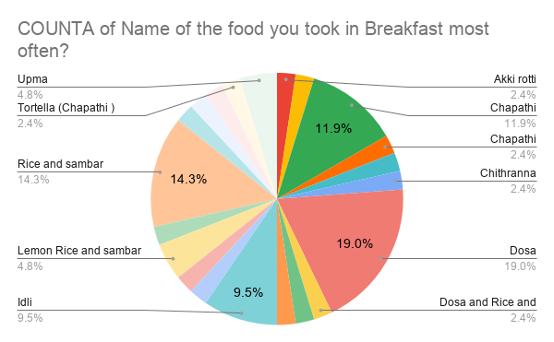
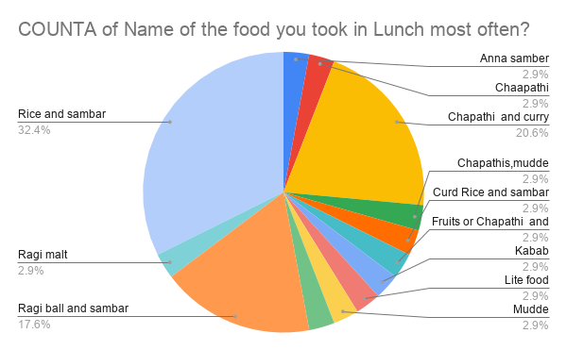
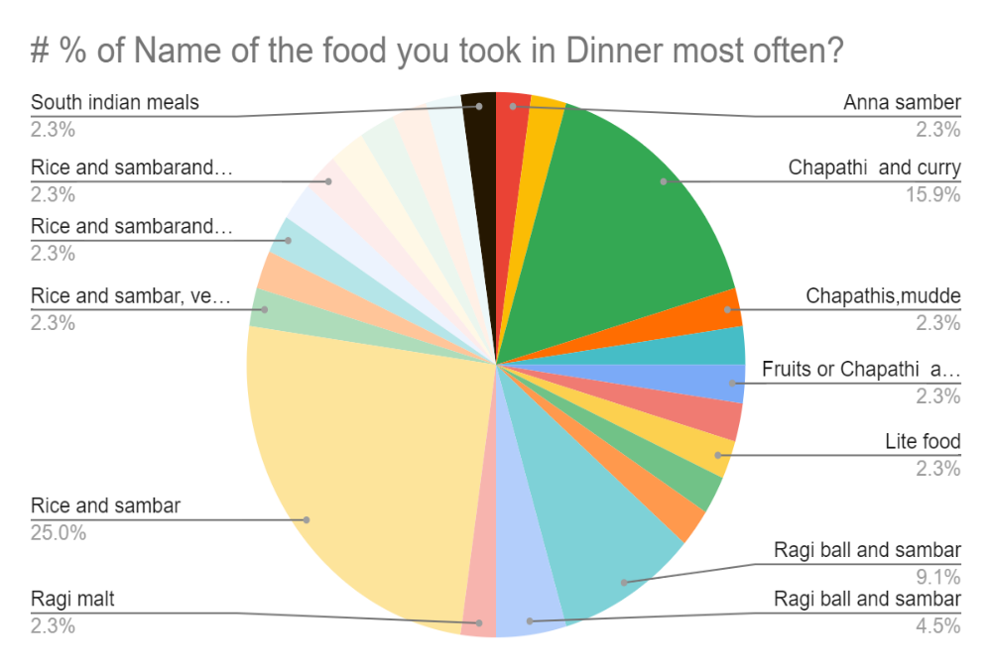
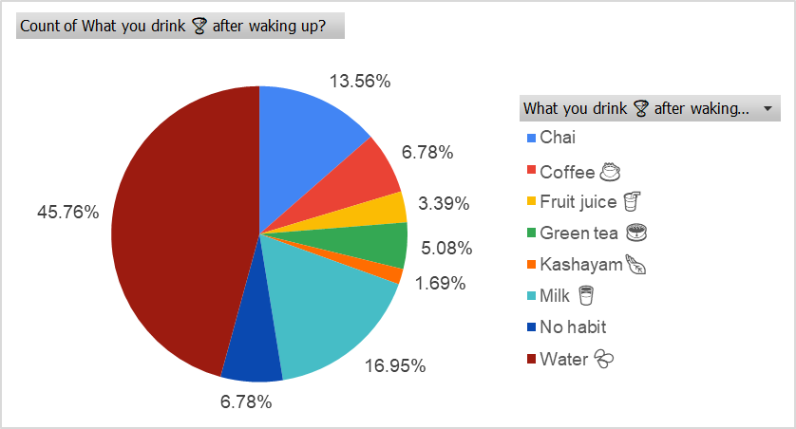
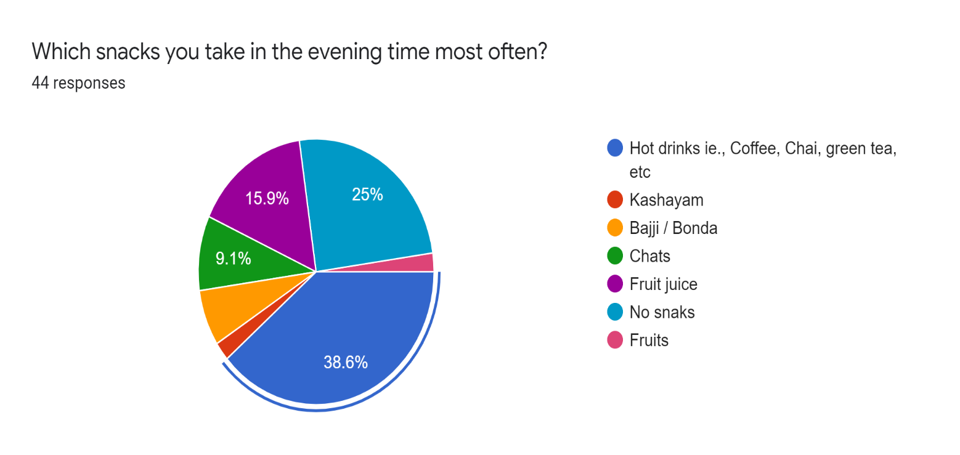
Survey on Food Analysis During the Pandemic of Covid 19

% of people Takes meal per day based on Gender with age range

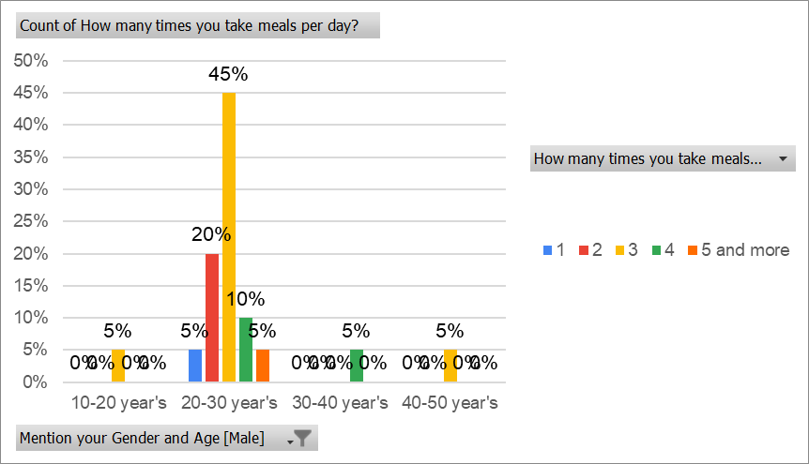
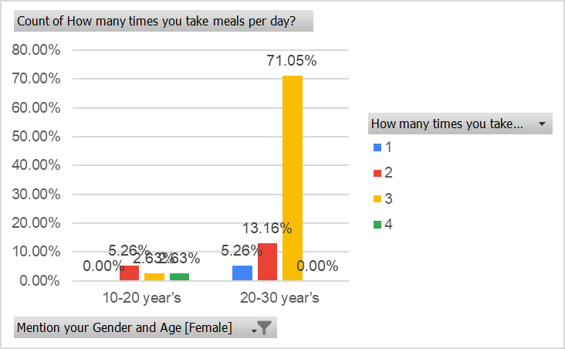

Price variations on Food products based on State
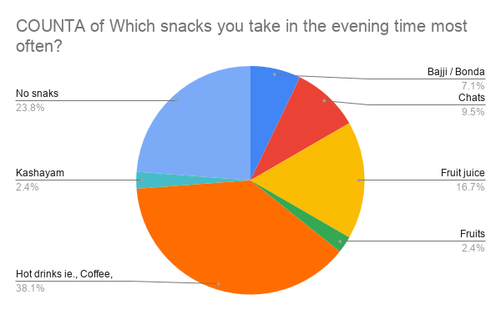
State | Total
Karnataka | 58
Tamil nadu | 1
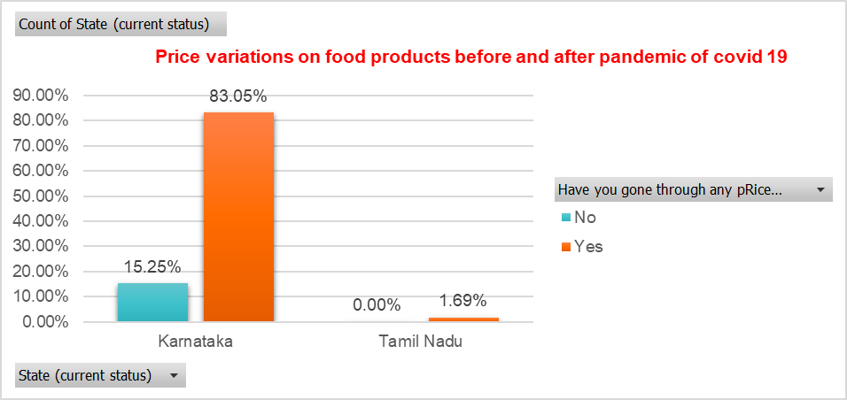
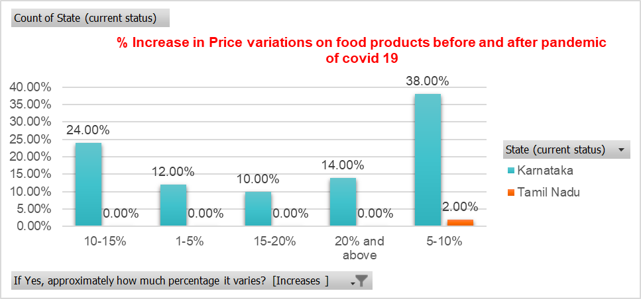

Inference : By analysing the above graph in Karnataka 83.05% of the people said YES for price variations on food and there are 38.0% of people said 5-10% increases in price before and after pandemic.

# Percentage of people Preffered to take food and Accomodation details

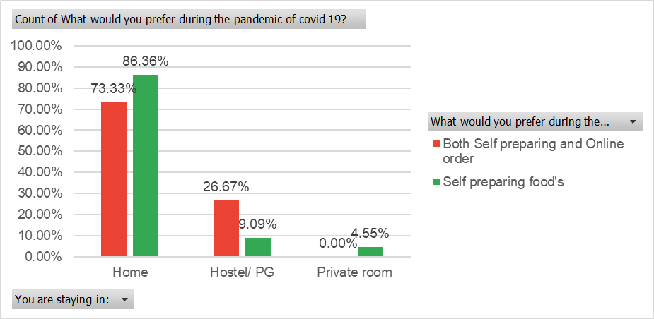

Inference: Most of the people who stayed in home preffered Self preparing food and those who stayed in PG/ Hostel preffered Both

Responses details based on different categories
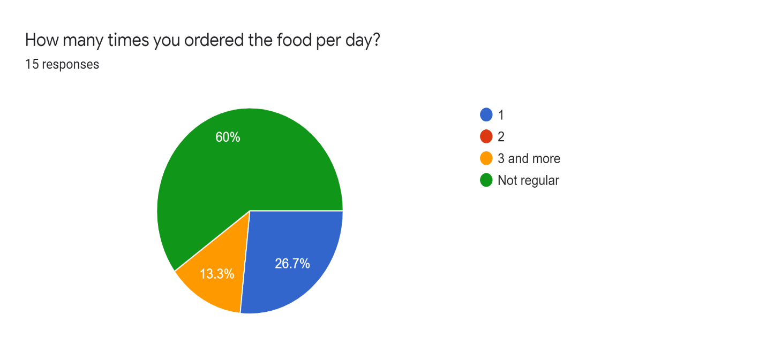
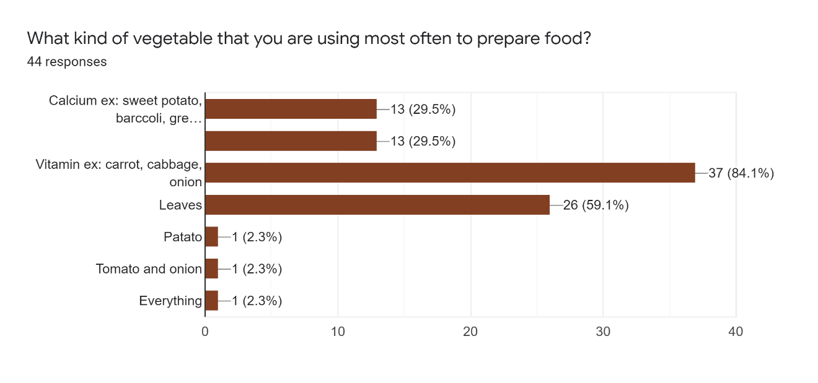

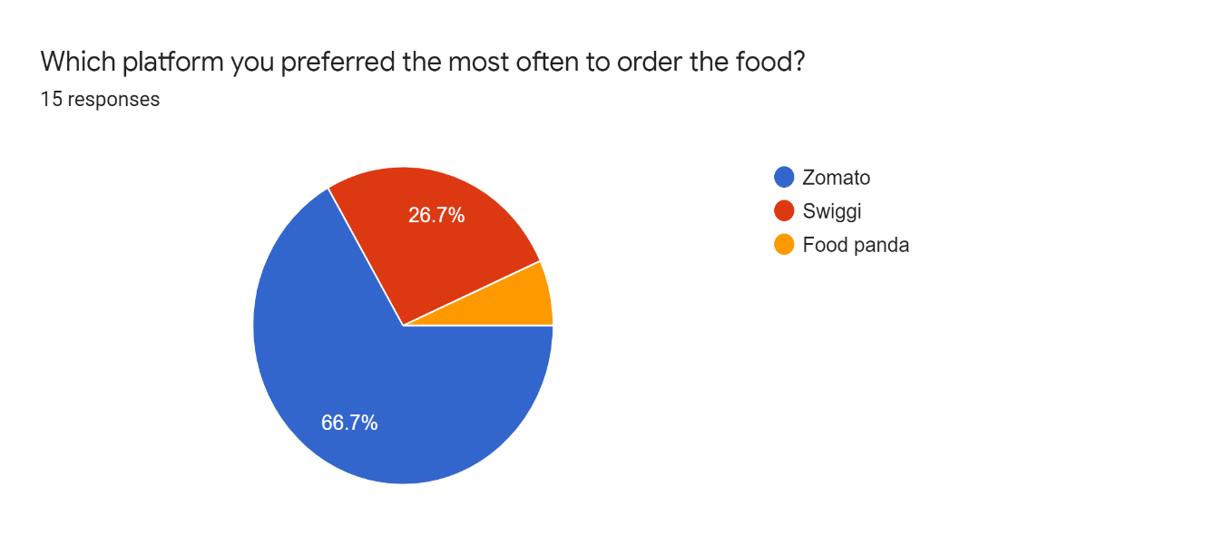
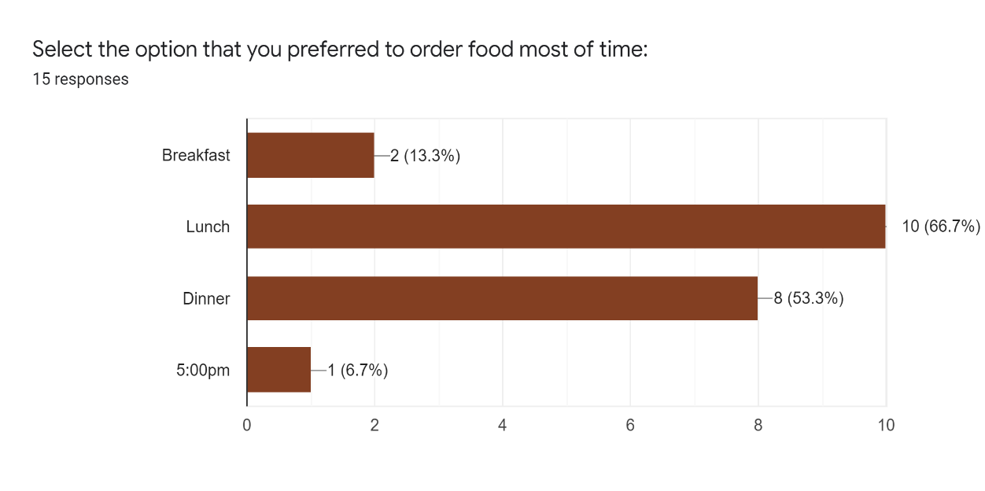

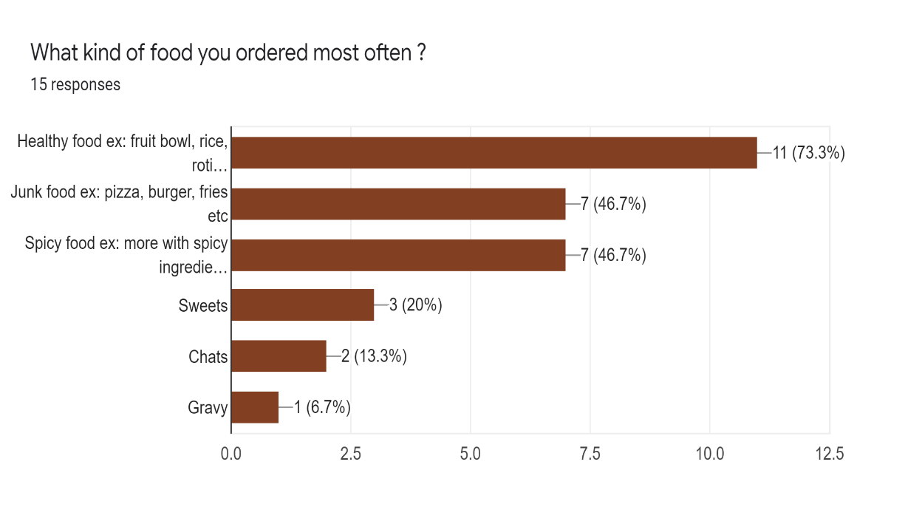

Most often Food take in a Day

